Sheet1
Name | Genomic Length | Oric (From the paper) | dnaA gene | Ori (Using our software's optimization algorithm) | Graph

Ochrobactrum anthropi ATCC 49188 chromosome 1, complete sequence | 28,87,297 | 544..1438nt (oriC 1) 883808..884261nt (oriC 2) | dnaA (1439..3001nt; oriC 1) hemE (884262..885287nt; oriC 2) | 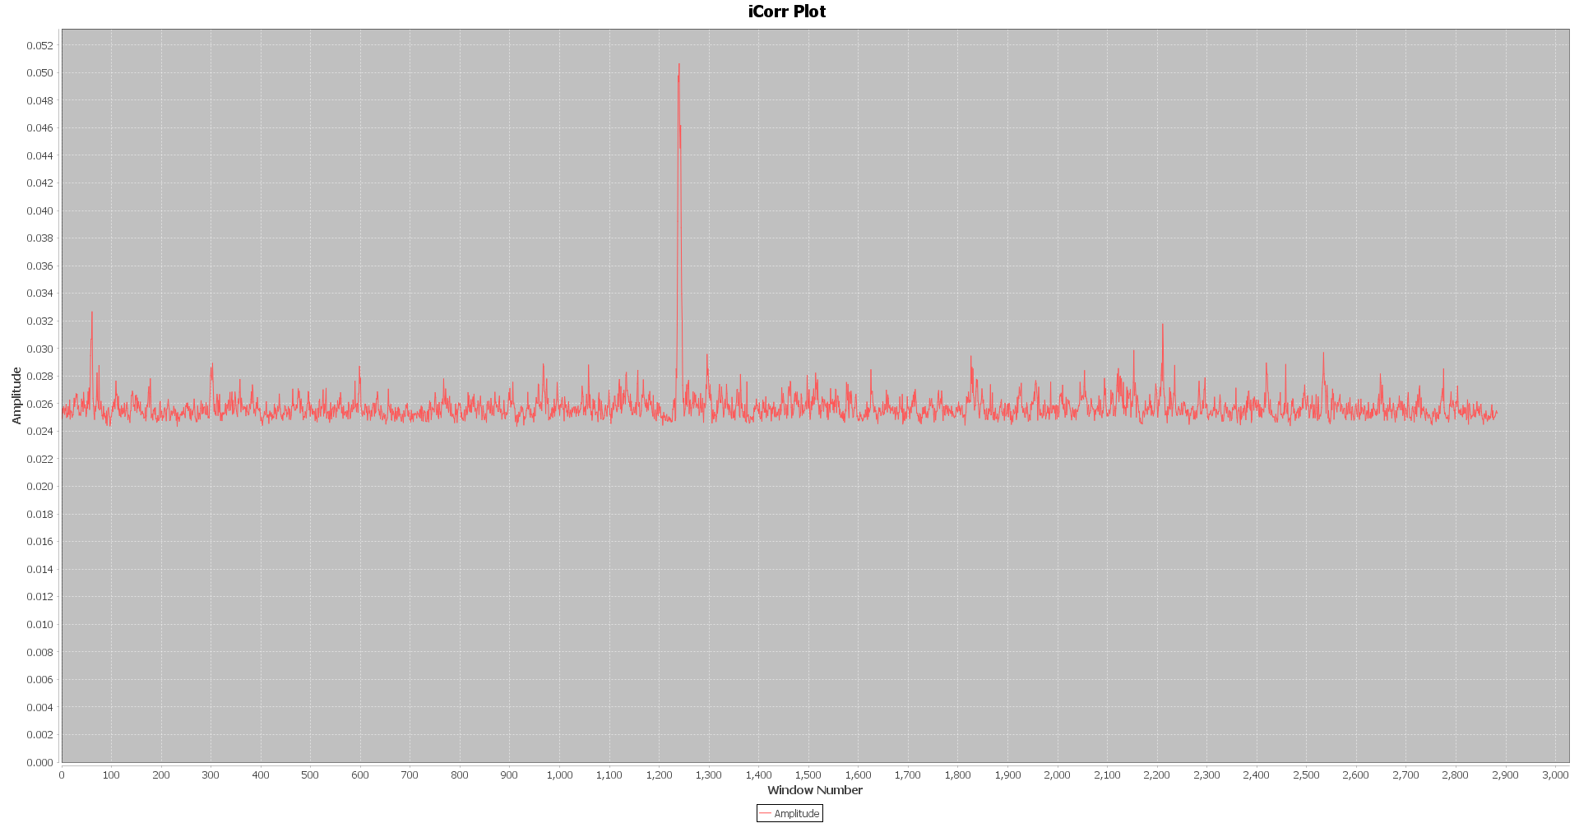 Overlapping Region encountered! Window Number= 1238 Region: 1238000-1243000 Ratio(peak-avg/stdev): 18.047834102264034 Window Number= 1243 Region: 1243000-1248000 Ratio(peak-avg/stdev): 15.341844211537124 Window Number= 1240 Region: 1240000-1245000 Ratio(peak-avg/stdev): 18.71219626698087
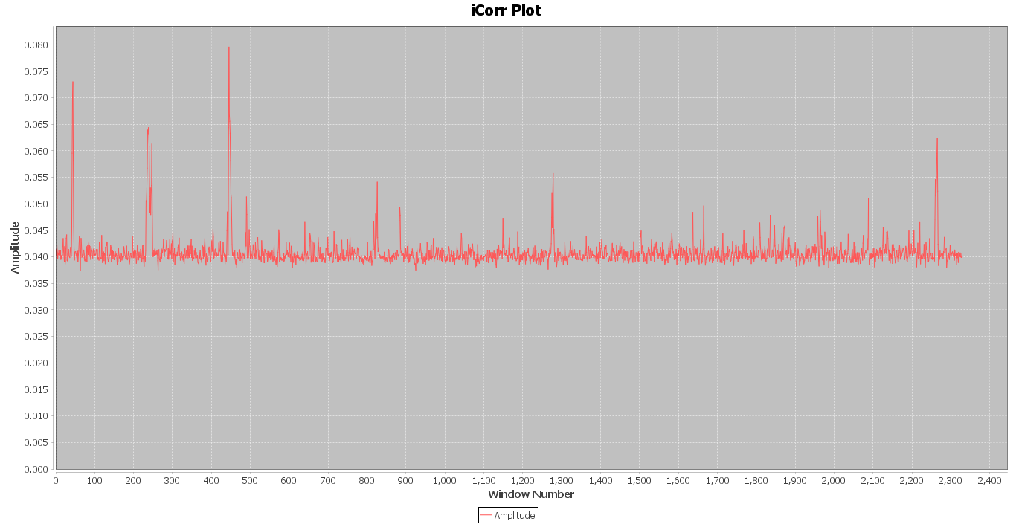

Acidaminococcus fermentans | 23,29,769 | 2540..2750nt and 4140..4386nt (oriC 1) 2329473..33ntand 1195..1915nt (oriC 2) | dnaA (2751..4139nt; oriC 1) dnaA (34..1194nt; oriC 2) | Window Number= 445 Region: 445000-447000 Ratio(peak-avg/stdev): 13.878708798546741 Window Number= 44 Region: 44000-46000 Ratio(peak-avg/stdev): 11.530522928802437 Overlapping Region encountered! Window Number= 236 Region: 236000-238000 Ratio(peak-avg/stdev): 8.266960854610192 Window Number= 238 Region: 238000-240000 Ratio(peak-avg/stdev): 8.430704113961895 Window Number= 2265 Region: 2265000-2267000 Ratio(peak-avg/stdev): 7.705643281154129 Window Number= 247 Region: 247000-249000 Ratio(peak-avg/stdev): 7.324820856224204

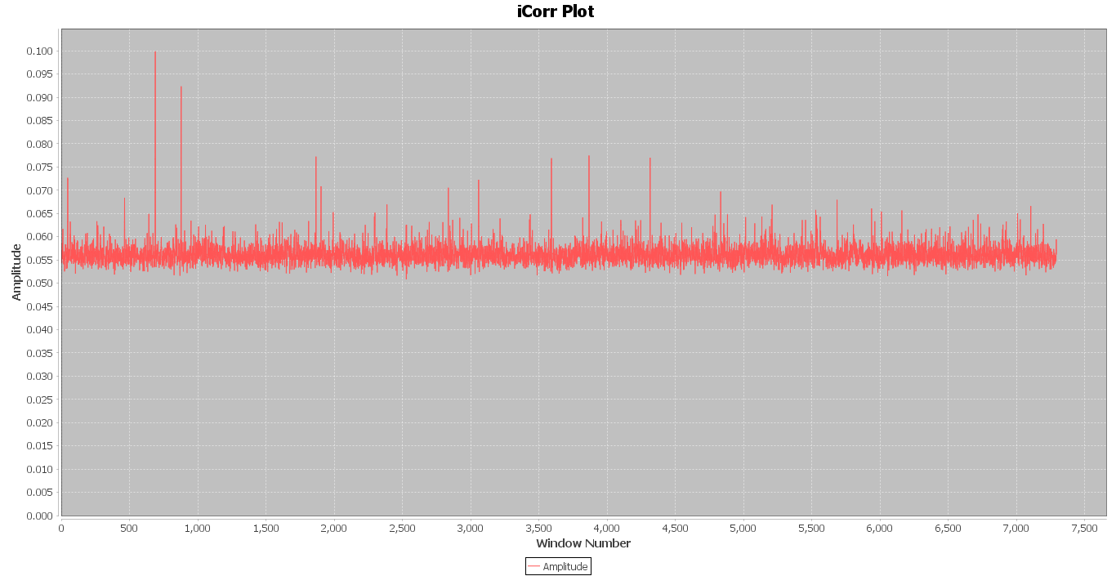
Ralstonia pickettii 12D chromosome1 | 36,47,724 | 3356072..3356652 nt (oriC 1) 3647708..612nt (oriC 2) | hemE (3356653..3357756nt; oriC 1) dnaA (613..2202nt; oriC 2) | Window Number= 689 Region: 344500-345500 Ratio(peak-avg/stdev): 20.59908049955363 Window Number= 879 Region: 439500-440500 Ratio(peak-avg/stdev): 17.04231652118587 Window Number= 3868 Region: 1934000-1935000 Ratio(peak-avg/stdev): 10.003946797610537 Window Number= 1867 Region: 933500-934500 Ratio(peak-avg/stdev): 9.895422308251344 Window Number= 4316 Region: 2158000-2159000 Ratio(peak-avg/stdev): 9.780853729822775 Window Number= 3593 Region: 1796500-1797500 Ratio(peak-avg/stdev): 9.733025960653013 Window Number= 47 Region: 23500-24500 Ratio(peak-avg/stdev): 7.74089430567293 Window Number= 3059 Region: 1529500-1530500 Ratio(peak-avg/stdev): 7.539517555932821 Window Number= 1904 Region: 952000-953000 Ratio(peak-avg/stdev): 6.875336636149324
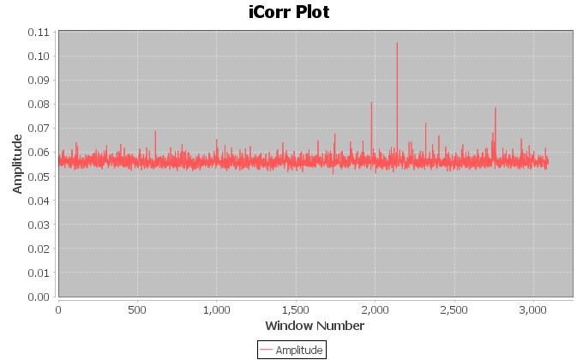
Dehalobacter sp.CFNC | 30,92,048 | 3091418..3092048 nt (oriC 1) 150334..150923nt (oriC 2) | dnaA (1..1338nt; oriC 1) parB (149395..150333nt; oriC 2) | "Window Number= 2139 Region: 2139000-2140000 Ratio(peak-avg/stdev): 22.502060257993353 Window Number= 1977 Region: 1977000-1978000 Ratio(peak-avg/stdev): 11.183058228801642 Window Number= 2759 Region: 2759000-2760000 Ratio(peak-avg/stdev): 10.164620070887858 "

